Sheet1
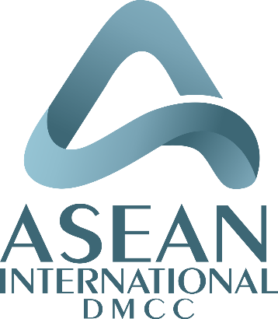
ASEAN INTERNATIONAL DMCC
Unit No 2909
JBC 1, Cluster G,
Jumeirah Lake Towers,
Dubai, U.A.E.
EMAIL: bunkers@asean.ae

Bunker Nomination

 | To | :
 | Attn | :
 | Date | :

 | We are pleased to place the following order confirmation with you:

 | Vessel: | :
 |  |  | AND/OR MASTER/ OWNERS/ CHARTERERS/ MANAGER/ OPERATORS/ AGENTS AND/OR

 | Port | :
 | ETA | :

 | Product | :
 | Quantity | :
 | Price | :
 | Delivery mode | :

 | Sellers | :
 | Buyers | :
 | Suppliers | :

 | Agents | :

 | Payment | :

 | Remarks | :

 | Kind regards

 | Sahir Jamal

ASEAN INTERNATIONAL DMCC
Unit No 2909
JBC 1, Cluster G,
Jumeirah Lake Towers,
Dubai, U.A.E.
EMAIL: bunkers@asean.ae

NOTES
Asean Operations contact (e-mail): Bunkers@asean.ae
Please hand over the MSDS Sheet to the receving Vessel before bunkering
Please confirm the good receipt of above email and immediately identify us of any errors else the same will be treated as correct & accepted by you
The Seller/ Supplier warrants that the bunker to be supplied and / or the crude oil from which it is produced does not originate from Iran.
Physical supplier to carry out a representative drip sampling into minimum 2 samples; One for the vessel and one for the supplier. In presence of representatives from both the supplier and vessel the sampling and the sealing has to be carried out and signed for
The fuel oil must not contain any chemical waste and / or used marine - or automotive lubricants.
The fuel must be proven to be homogeneous.
Supplier is to keep close contact with the agents.
Please forward your invoice and BDR not later then 05 working days from date of supply.
All invoices and supporting receipts are to be emailed to the below given e-mail addresses:
accounts@asean.ae and admin@asean.ae
REMARKS
-Sale is subject to BIMCO 2018 terms and conditions.

 | *Should you require a copy of our terms and conditions kindly request or visit our website at www.aseandmcc.com

